web migration-20180213
1 | Copy all data from the source to the destination
 | exclude icon / stat / phpadmin
 | #cp -r source destination
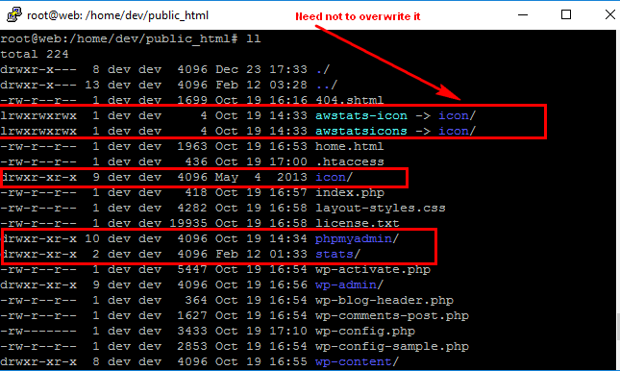

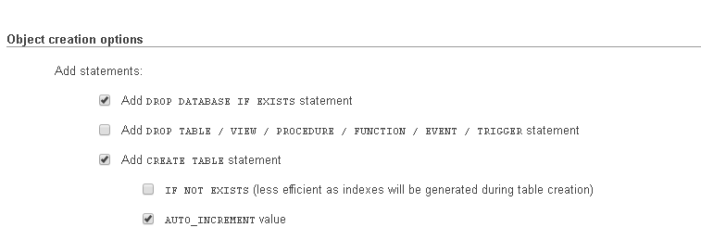

2 | Login PHPMyadmin | export and import

 | Select Database and click "dev"

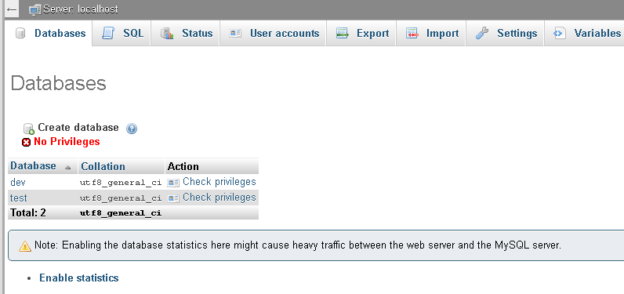
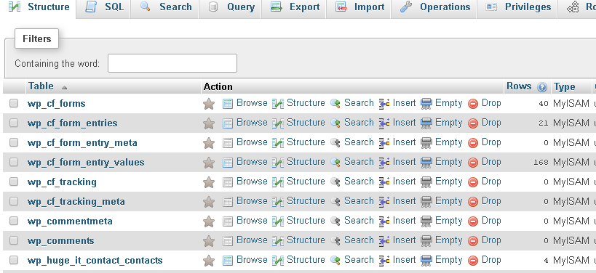

 | Click export

3 | modify wp-config.php
 | change the db name
 | change the login & password
4 | run the command
 | opt-safe@web:~/public_html$ wp search-replace 'dev.opt-safe.com' 'www.opt-safe.com' --dry-run --recurse-objects --skip-columns=guid

 | opt-safe@web:~/public_html$ wp search-replace 'dev.opt-safe.com' 'www.opt-safe.com' --recurse-objects --skip-columns=guid

detail
 |  |  |  | Login / Password
 |  |  |  | itadmion / GeFH47oh+Q
 |  |  |  | root / v]8k4CZwTK
Milton Internal
app.milton-corp.com | 192.168.84.43 | 61.244.88.135 | a
test.milton-corp.com | 192.168.84.42 | 61.244.88.137 | t
web.milton-corp.com | 192.168.84.41 | 61.244.88.136 | w
 |  |  |  | root / YP&zB8zqz6
Milton External
milton-exhibits.cn |  | 124.202.140.161

 |  | https://192.168.86.30:10000/
Sub-Category | Task | web.milton-corp.com
HIDS Firewall | Website & SSH Brute force attack | 216 |  | cmd# grep "2019" /var/ossec/logs/active-responses.log |grep "Apr" |grep "host-deny"|grep add|wc -l

 | New IPs blacklisted permanently

Anti-virus | Latest virus definition update | ClamAV 0.98.7/21267/Sat Jan 16 17:35:23 2016 |  | SSH login, cmd# clamscan -V

 | Scan result (Infected file count) | 0 |  | Check email (it logging)
Syslog | Log review | No malicious errors |  | check /var/log/syslog.1 or other, how to fast scan? ls -al sys*.*
SSH | SSH active users | henrychan from 183.179.205.38 |  | cmd# egrep "sshd.*Accepted" /var/log/auth.log.1 | awk '{print $9 " " $10 " " $11}' | sort -u

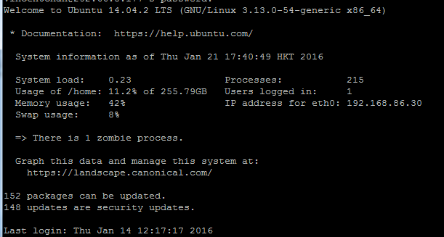
OpenVPN | Active users |  |  | cmd# grep "2016" /etc/openvpn/servers/Milton/logs/openvpn.log | grep "Peer Connection Initiated" | grep "Dec"
Emails | Malicious emails | Not found |  | Check email (Logwatch0, find "**Unmatched Entries**"
OS | Available security update | 148 |  | SSH login, the login prompt up the available update
Backup | Latest VHosts backup | 2.5 GB |  | Virtualmin > Backup and Restore > Backup Logs

Resource utilization | Network (inbound average) | 2 kB |  | Webmin > Network > MRTG > Traffic Analysis for eth0 -- web > Weekly > inbound
 | Network (outbound average) | 84 kB |  | Webmin > Network > MRTG > Traffic Analysis for eth0 -- web > Weekly > outbound
 | Varnish Hits % (average) | 16% |  | Webmin > Network > MRTG > Varnish Cache Status (per hour) > weekly >> Cache hits(avage)/(Cache hits + Cache misses)
 | Varnish memory usage (max) | 10 MB |  | Webmin > Network > MRTG > Varnish S0 Memory Usage > Weekly >
 | Apache Process Count (average) | 4 |  | Webmin > Network > MRTG > Apache Process Count
 | PHP Process Count (average) | 15 |  | Webmin > Network > MRTG > Apache Process Count
 | CPU (5 min average CPU Load) | 2% |  | Webmin > Network > MRTG > 5 min average CPU Load > weekly
 | Swap usage (average) | 317 MB |  | System Info > Swap & Free RAM > Weekly
 | RAM total | 2.9 GB |  | System Info >
 | RAM usage (current) | 1.3 GB |  | System Info >
 | RAM usage (current %) | 44% |  | System Info >
 | Local disk total | 276.7 GB |  | System Info >
 | Local disk used (current) | 51.4 GB |  | System Info >
 | Local disk usage (current %) |  |  | System Info >
 | Root (/) patition free space(GB) | 19% |  | Network > MRTG > Disk Free Space > Daily or df -h
 | VHost quota usage max value | 39% |  | Check the large one usage

 | Alerts (exclude load warning due to backup)
 | http://generator.organizeroffice.com/ | Accessible
 | http://i-leadsense.com/ | Accessible
Backup | http://ilead.organizeroffice.com/ | Accessible
Resource utilization | http://www.organizeroffice.com/ | Accessible
 | http://wall.organizeroffice.com/ | Accessible
 | http://i-leadgen.com/ | Accessible
 | http://milton-exhibits.com/ | Accessible
 | http://www.webuildexperience.com/ | Accessible
 | http://www.milton-si.com/ | Accessible
 | http://milton-sg.com/ | Accessible
 | http://organizeroffice-uat.thinkact.com.hk/ | Accessible

Process status | Apache | In service |  | How to check service status? / service --status-all
 | ProFTPd FTP Server | In service
 | SSH Server | In service
 | MySQL Database | In service
 | Memcached | In service |  | sudo service memcached status
 | Varnishd | In service |  | sudo service varnish status
 | Postfix | In service |  | sudo service postfix status

Process status

milton-exhibits.cn
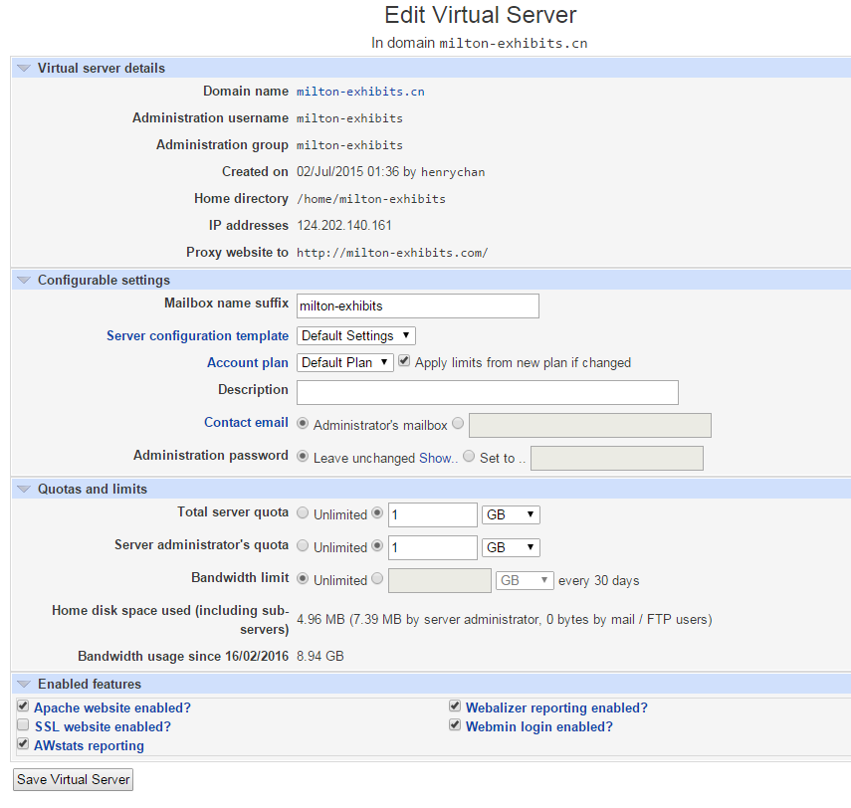
Virtualmin

Oher Ref
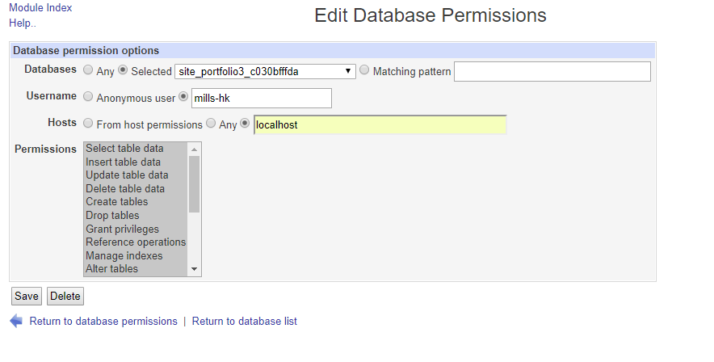
Show the login password

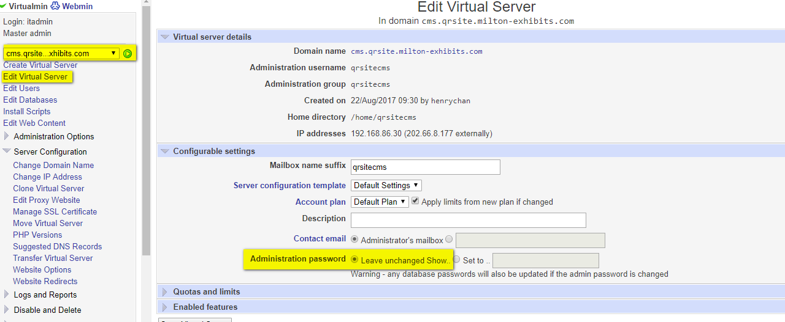

Create DB user account

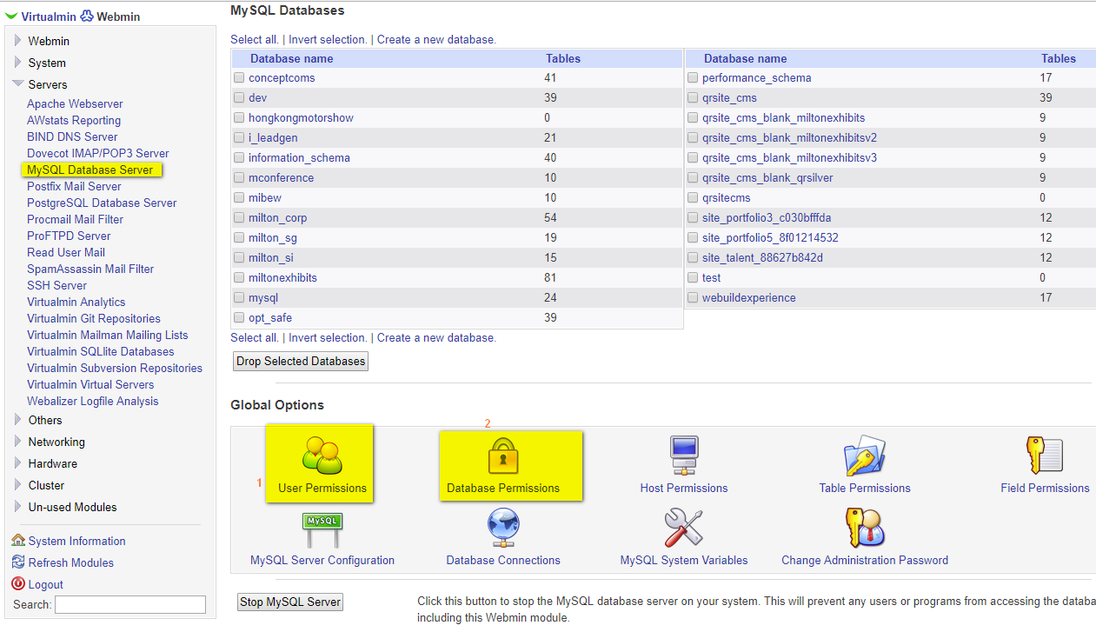

User Permissions

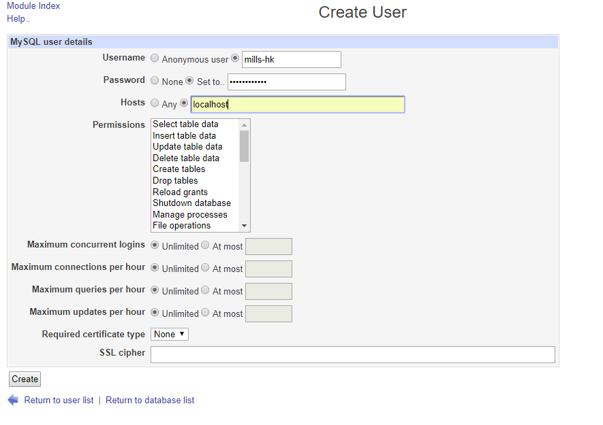

Database Permissions

add SSL
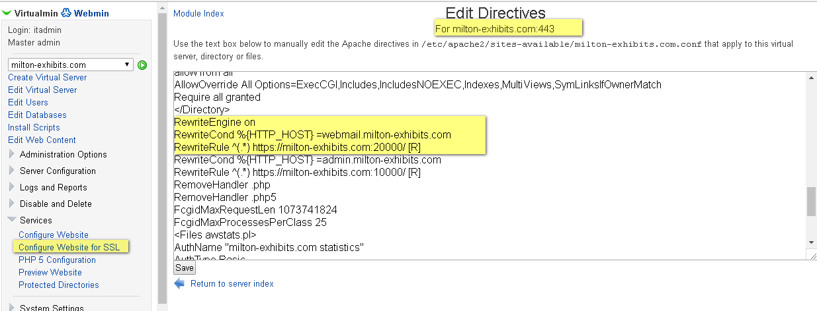
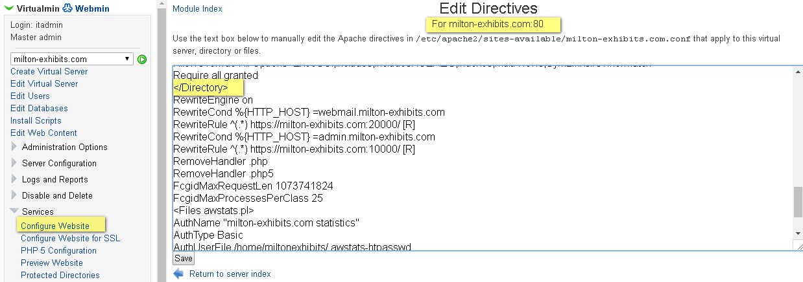
1 | Enable SSL feature
 |  | Find the target domain
 |  | Edit Virtual Server
 |  | Enable "Apache SSL Website enabled?"

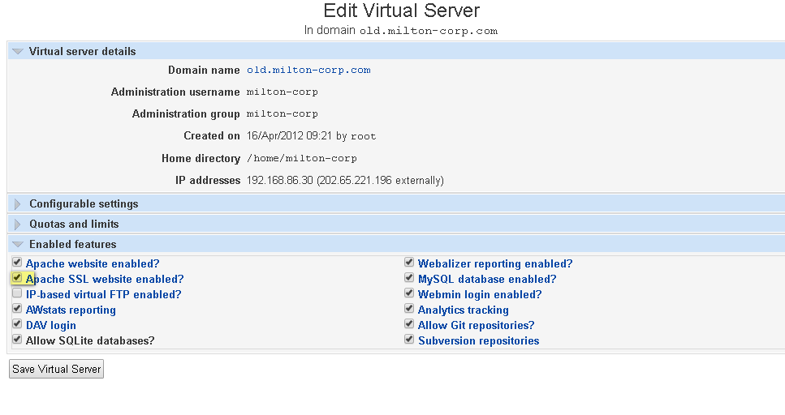

 |  | Save Virtual Server

2 | Manage SSL Certificate
 |  | Create Signing Request
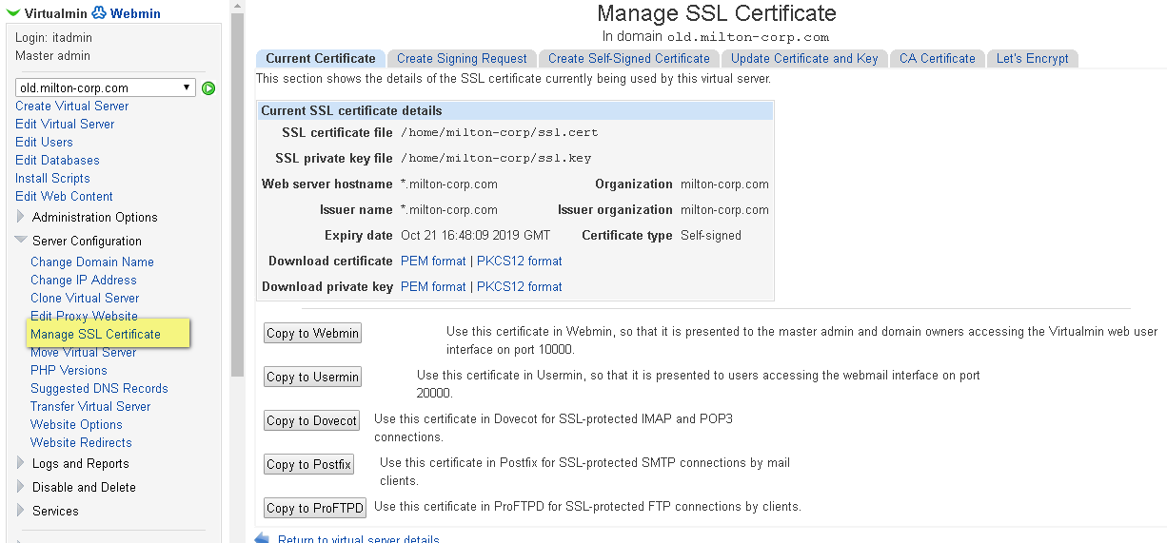

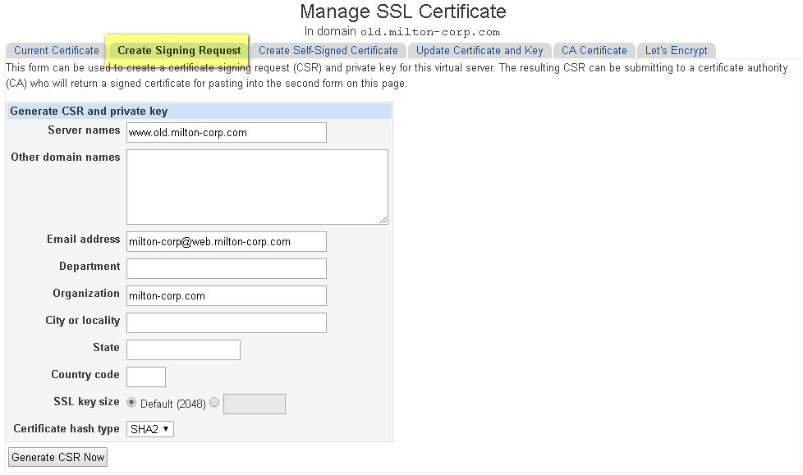

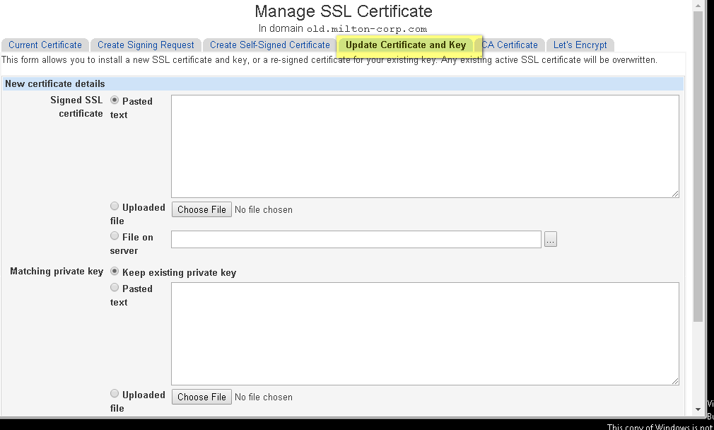

 | Modify the coding
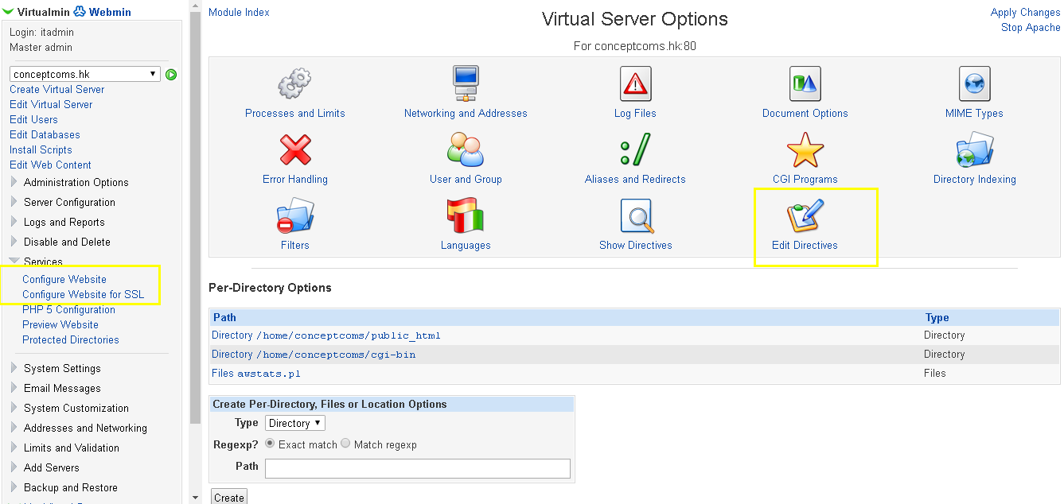

 | Port forward from http to https

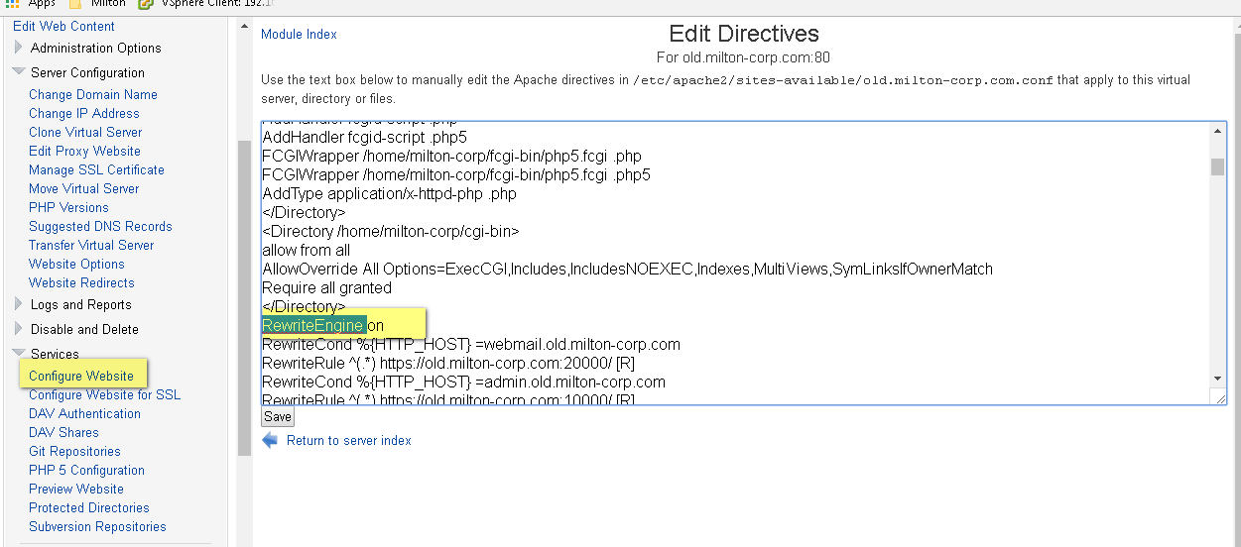

 |  | add two command |  | https://www.sslshopper.com/apache-redirect-http-to-https.html
 |  |  | RewriteCond %{HTTPS} off
 |  |  | RewriteRule (.*) https://%{SERVER_NAME}/$1 [R,L]

 | Change Alias and show the target domain name only
 |  | sample |  | https://www.internetmarketingninjas.com/blog/search-engine-optimization/301-redirects/
 |  |  | RewriteCond %{HTTP_HOST} ^xyz\.com [NC]
 |  |  | RewriteRule ^(.*)$ http://www.xyz.com/$1 [L,R=301]

 |  | services > edit Directives

Add alias
